1. Title Page
[Project Name]

Project Name: Instacart Grocery Basket Analysis
Date: 02/05/2024
Analyst Name: Chinwendu Emelumba

Contents:
Population Flow
Consistency checks
Wrangling steps
Column derivations
Visualizations
Recommendations

 | Data Citation

 | “The Instacart Online Grocery Shopping Dataset 2017”, Accessed from www.instacart.com/datasets/grocery-shopping-2017 via Kaggle on January 2, 2024.

 | Note: Price information sourced from CareerFoundry.

2. Population Flow
Title page

Population flow

Exclusion flag
Condition: max_order < 5
Obervations to be removed: 1,440,295
Final total count of order_products_all: 30,964,564

Orders_products_combined
Orders_products_merged
Orders_products_all

Total: 32,404,859
Total: 32,434,489
Total: 32,404,859

1.) The grey boxes in the first row of the population flow represent the original data sets as they were when you downloaded them. In the Total fields you need to add the count of the rows when you imported the data set into Jupyter.
2.) The second row of boxes (coloured) represents the data sets after you manipulated them, e.g., removed missing values and duplicates. In the Total fields you need to add the count of the rows after conducting these operations. This offers a visual oveview of how the data flows throughout the data consistency checks.
3.) The third row, where also the arrows are coloured, represents the merges you performed between the datasets. In the Total fields you need to add the count of the rows in the merged datasets, so that you end up with the final dataset (in the red box). Keep in mind the final dataset should be without exclusions (based on the exclusion flag).

3. Consistency checks
 |  |  |  | Title page
Consistency checks

Dataset | Missing values | Missing values treatment | Duplicates
orders | days_since_prior_order: 206,209 | The decision was made to leave the data unaltered due to the fact that it is expected and provides information consistent with a first time order for all users/customers. | None
products | product_name: 16 | Created a subset of the df such that it contained only the missing values under product_name column. Filled missing values in the 'product_name' column of the df_prods dataFrame subset with a specified value | Five duplicates identified and removed
orders_products_prior | No missing data | N/A | None
customers | first_name: 11,259 | Filled missing values in the 'first_name' column with 'Unknown' | None

 |  | The decision was made to leave the data unaltered due to the fact that it is expected and provides inforamtion connsistent with a first time order for all users/customers.

 |  | Creating a subset of the df such that it contains only the missing values under product_name column

4. Wrangling steps
 |  |  |  | Title page
Wrangling steps

Columns dropped | Columns renamed | Columns' type changed | Comment/Reason
date_joined |  |  | Adds nothing to the analysis
_merge |  |  | Adds nothing to the analysis
Unnamed: 0_x |  |  | Adds nothing to the analysis
Unnamed: 0.1 |  |  | Adds nothing to the analysis
Unnamed: 0_y |  |  | Adds nothing to the analysis
first_name |  |  | Considered security implication and removed due to the fact that it constitutes PII (personally identifiable information)
surname |  |  | Considered security implication and removed due to the fact that it constitutes PII (personally identifiable information)
busiest_day |  |  | Considered security implication and removed due to the fact that it constitutes PII (personally identifiable information)

 |  | order_id | Changed to string since not a calculable field.
 |  | user_id | Changed to string since not a calculable field.
 | First Name >> first_name |  | Name change for greater clarity
 | Surnam >> surname |  | Name change for greater clarity
 | order_hour_of_day >> time_of_day |  | Name change for greater clarity
 | order_dow >> orders_day_of_week |  | Name change for greater clarity
 | Gender >> gender |  | Name change for uniformity
 | STATE >> state |  | Name change for uniformity
 | Age >> age |  | Name change for uniformity
 | n_dependants >> dependants |  | Name change for greater clarity
 | fam_status >> family_status |  | Name change for greater clarity

 |  | aisle_id | df name: 'df_agg'. type change: int64 >>int32
 |  | department_id | df name: 'df_agg'. type change: int64 >>int8
 |  | order_id | df name: 'df_agg'. type change: int64 >>int32
 |  | user_id | df name: 'df_agg'. type change: int64 >>int32
 |  | order_number | df name: 'df_agg'. type change: int64 >>int8
 |  | orders_day_of_week | df name: 'df_agg'. type change: int64 >>int8
 |  | time_of_day | df name: 'df_agg'. type change: int64 >>int8
 |  | add_to_cart_order | df name: 'df_agg'. type change: int64 >>int32
 |  | reordered | df name: 'df_agg'. type change: int64 >>int8
 |  | max_order | df name: 'df_agg'. type change: int64 >>int8
 |  | product_id | df name: 'df_agg'. type change: int64 >>int32

 |  | user_id | df name: 'df_no_nans'. type change: int64 >>int32
 |  | age | df name: 'df_no_nans'. type change: int64 >>int8
 |  | dependants | df name: 'df_no_nans'. type change: int64 >>int8
 |  | income | df name: 'df_no_nans'. type change: int64 >>int32

5. Column derivations
In this tab you should add tables below that the frequences of flags/label variables that you produced after deriving them. NB: don't do this for continuous variables, only for flags.
 |  |  |  |  | Title page

Column derivations and aggregations

Dataset | New column | Column/s it was derived from | Conditions | Flag Frequencies
ords_prods_merge | price_range | prices | 1. prices≤5: Low-range product 2. 5< prices ≤15: Mid-range product 3. 15< prices: High-range product | price_range_loc Mid-range product 21860860 Low-range product 10126321 High-range product 417678
ords_prods_merge | busiest_days | orders_day_of_week | 1. order_day_of_week ==0 or 1: Busiest days 2. order_day_of_week ==3 or 4: Slowest days 3. order_day_of_week != 0,1,3,4: Regularly busy | Categorization of days by level of busyness Regularly busy 12916111 Busiest day 11864412 Least busy 7624336
ords_prods_merge | busiest_day | orders_day_of_week | 1. order_day_of_week ==0 : Busiest day 2. order_day_of_week ==4: Least busy 3. order_day_of_week != 0,4: Regularly busy | Level of busyness Regularly busy 22416875 Busiest day 6204182 Least busy 3783802
ords_prods_merge | busiest_period_of_day | order_hour_of_day | 1. 10≤ order_hour_of_day ≤16: Most orders 2. 1≤order_hour_of_day ≤5: Fewest orders 3. order_hour_of_day= 6~9 or 17~24: Average orders | busiest_period_of_day Most orders 21118071 Average orders 11024929 Least orders 261859
ords_prods_merge | max_order | order_number | Determined max number of purchases of each customer
ords_prods_merge | spender_flag | mean_product_price | 1. Mean product price purchased ≥ 10 --> high spender 2. Mean product price purchased < 10 --> low spender | spender_flag Low spender 32285131 High spender 119728
ords_prods_merge | loyalty_flag | max_order | 1. max_order > 40 : Loyal customer 2. max_order≤ 10: New customer 3. 10<max_order≤40: Regular customer | loyalty_flag Regular customer 15876776 Loyal customer 10284093 New customer 6243990
ords_prods_merge | frequency_flag | order_frequency | 1. order_frequency >20 : Non-frequency customer 2.order_frequency ≤ 10: Frequent customer 3. 10<order_frequency ≤20 : Regular customer | frequency_flag Frequent customer 21559853 Regular customer 7208564 Non-frequent customer 3636442
df_task2 | region | state | Utilized Wikipedia source to create a regional segmentation of the data comparing customer behavior in different geographic areas | regional counts South 10791885 West 8292913 Midwest 7597325 Northeast 5722736
df_task2 | exclusion_flag | max_order | 1. max Order ≥ 5 --> include 2. max Order < 5 --> exclude | Count of exclusion_flag Include 30964564 Exclude 1440295
df_task2_include_dptmerge | age_group | age | 1. age ≥ 65 --> Elder 2. age <65 and ≥ 25 --> Adult 3. age <25and ≥ 18 --> Young Adult 4. age < 18 --> Child | age_group Adult 19353826 Elderly Adult 8195544 Young Adult 3415194
df_task2_include_dptmerge | relative_income | income | 1. income ≥ 142,818 --> Above Avg Income 2. income <142,818 and ≥ 56,534 --> Avg Income 3. income < 56,534 --> Below Avg Income | relative_income Avg Income 20923960 Above Avg Income 5173082 Below Avg Income 4867522
df_task2_include_dptmerge | presence_of_dependants | dependants | 1. Presence of Dependants > 0 --> Children Present 2. Presence of Dependants = 0 --> Children Absent | Presence of Dependants Children Present 23224883 Children Absent 7739681
df_task2_include_dptmerge | customer_profile(age/income) | age_group, relative_income | Used designations from age_group and relative_income to come up with combos. | Customer_Profile_Age_Income Adult w/Avg Income 13142930 Elderly Adult w/Avg Income 5274616 Adult w/Below Avg Income 3161112 Adult w/Above Avg Income 3049784 Young Adult w/Avg Income 2506414 Elderly Adult w/Above Avg Income 2088431 Young Adult w/Below Avg Income 873913 Elderly Adult w/Below Avg Income 832497 Young Adult w/Above Avg Income 34867
df_task2_include_dptmerge | customer_profile(status/income/dependants) | Family_Status, Income_Level, Household_Type | Note that Non-Married served as a catch-all for single, divorced/widowed, and living with parents and siblings | customer_profile(status/income/dependants) Married Avg Income Household w/Kids 14626870 Non-married Avg Income Household w/o Kids 5209128 Married Above Avg Income Household w/Kids 3843248 Married Below Avg Income Household w/Kids 3273593 Non-married Above Avg Income Household w/o Kids 1313889 Non-married Below Avg Income Household w/o Kids 1216664 Non-married Avg Income Household w/Kids 1087962 Non-married Below Avg Income Household w/Kids 377265 Non-married Above Avg Income Household w/Kids 15945

6. Visualizations
 |  |  |  |  |  |  | Title page

Visualisations

In this tab you should include all the visualtions from Exercises 4.9 and 4.10, alongside the questions from the project brief that they answer. Include any commentary on the relationship between different variables.


Project Brief - Key Question 1
● What are the busiest days of the week and hours of the day (i.e., the days and times with the most orders) in order to schedule ads at times when there are fewer orders?

 |  |  |  |  |  | (Image from Exercise 4.9) - Fig. 1
 |  |  |  |  |  | **Note: Y-axis represents 'Number of Orders'.

Project Brief - Key Question 2
● Are there particular times of the day when people spend the most money, as this might inform the type of products advertised at these times?

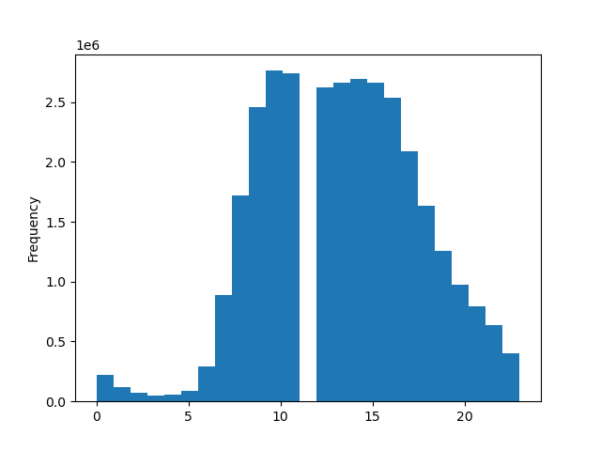

 |  |  |  |  | (Image from Exercise 4.9) - Fig.2
 |  |  |  |  | **Note: X-axis represents 'time_of_day'.

#### Comments: Based on the histogram, it is clear that most orders are placed between 9-5PM, with peak hours being 9-11AM. I suspect that the gap in the graph from 12-1PM is due to the fact that this is the typical lunch hour.

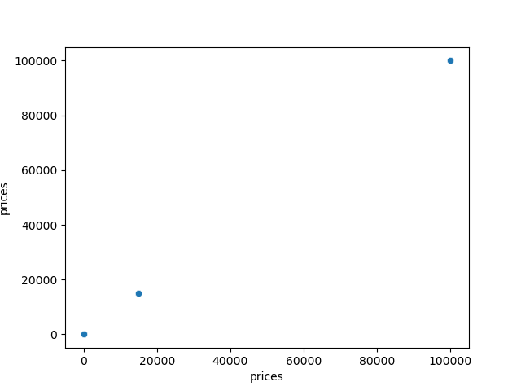

 |  |  |  | (Image from Exercise 4.9) - Fig. 3

#### Comments: I used the scatterplot to visualize the distribution of data points in order to identify any outliers based on max value in 'prices' column of the dataframe, 'df_pyviz'.
 |  | As may be noted from the visualization, suspicions about outlier values was confirmed.


 |  |  |  | (Image from Exercise 4.9) - Fig. 4
 |  |  |  | **Note: X-axis represents 'product prices'.

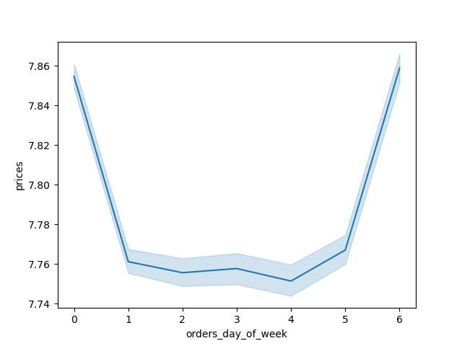

 |  |  |  |  | (Image from Exercise 4.9) - Fig. 5

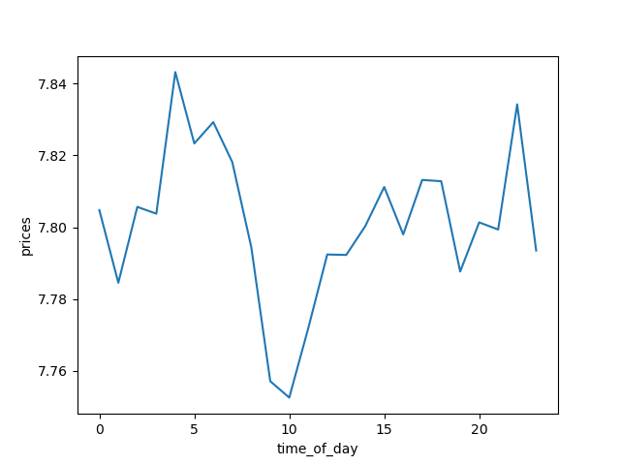

 |  |  |  |  | (Image from Exercise 4.9) - Fig. 6

Project Brief - Key Question 3
● Is it possible to use simpler price range groupings to help direct the efforts of the marketing and sales teams?
 | *Introductory Note for 1st visualization: While there are no visualizations from 4.9 with simpler price range groupings, the following visualization is, at least, tangentially related.
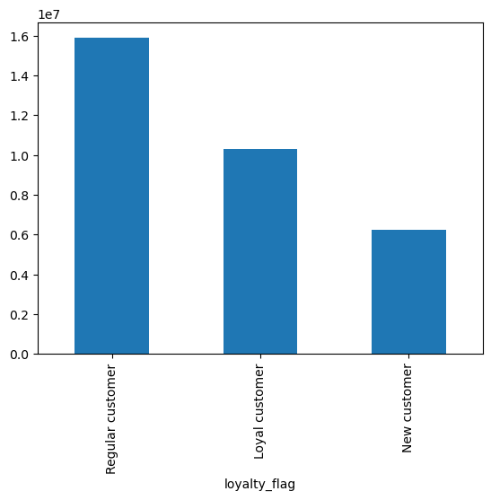

 |  |  |  | (Image from Exercise 4.9) - Fig. 7
 |  |  |  | *Note: This is a grouping of customers according to brand-loyalty. It may prove relevant to price range groupings.

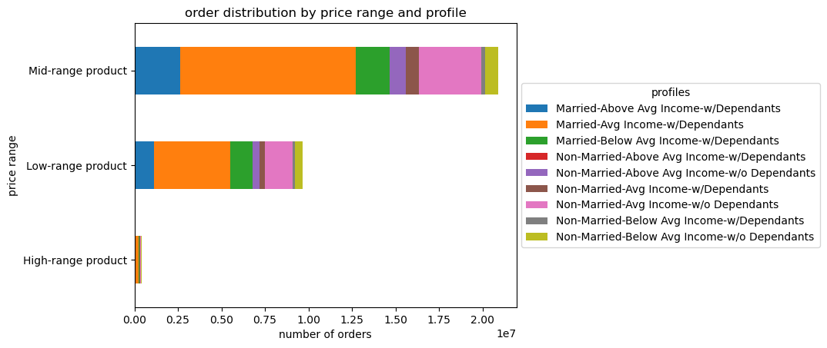

 |  |  |  |  |  |  | (Image from Exercise 4.10) - Fig. 8
 |  |  |  |  |  |  | *Note: This clustered bar chart is based on a customer profile organized by family status (e.g. married/non-married), relative income and presence of dependants in the household.

Project Brief - Key Question 4 & 5
● Are there certain types of products that are more popular than others? Which departments have the highest frequency of product orders?
● What are the different types of customers in the system of the marketing and sales teams and how do their ordering behaviors differ?

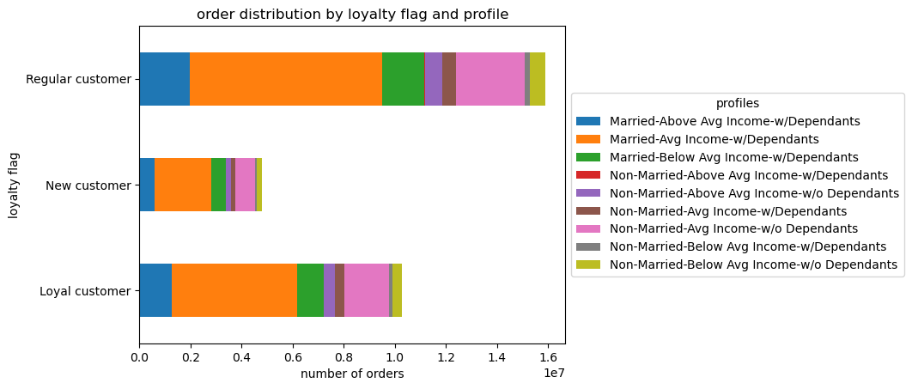

 |  |  |  |  |  |  |  |  | (Image from Exercise 4.10) - Fig. 9
 |  |  |  |  |  |  |  |  | *Note: This is a clustered bar chart by loyalty flag and 'family status/income/dependants' customer profile category.

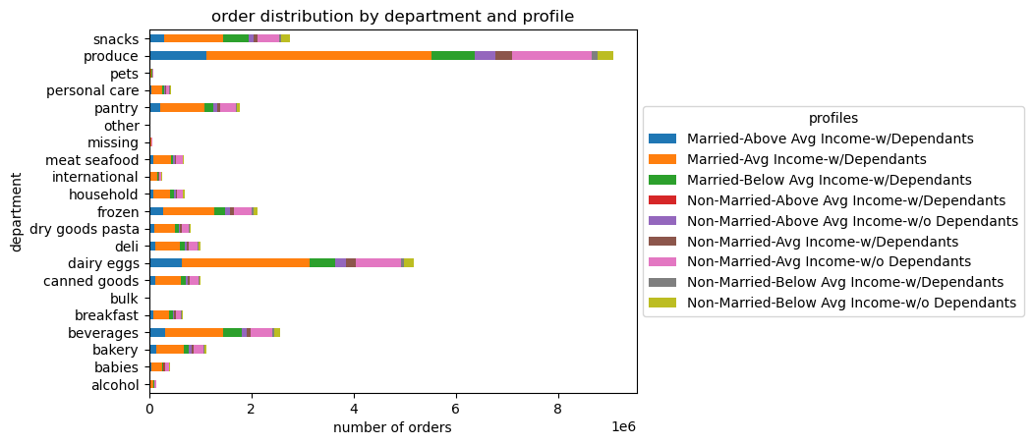

 |  |  |  |  |  |  |  |  | (Image from Exercise 4.10) - Fig. 10
 |  |  |  |  |  |  |  |  | *Note: This is a clustered bar chart by department and 'family status/income/dependants' customer profile category.

 |  |  | #### Comments: Items that appeart to be the most popular are produce and dairy eggs.

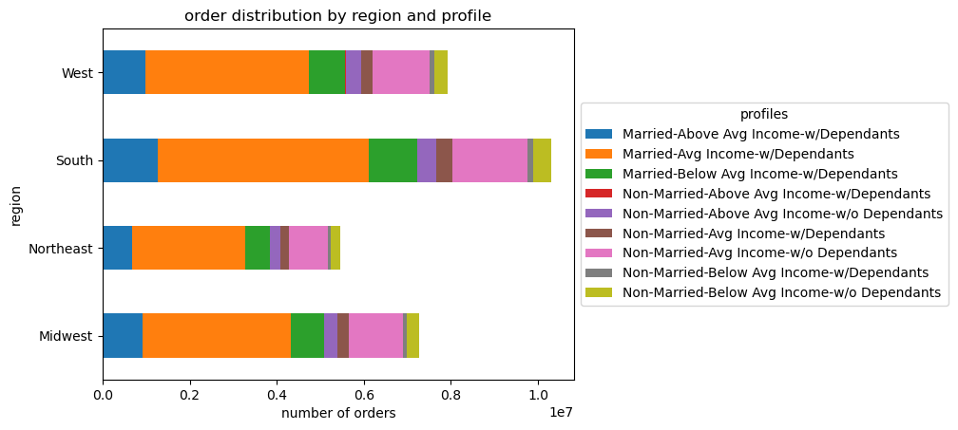

 |  |  |  |  |  |  |  |  | (Image from Exercise 4.10) - Fig. 11
 |  |  |  |  |  |  |  |  | *Note: This is a clustered bar chart by region and 'family status/income/dependants' customer profile category.

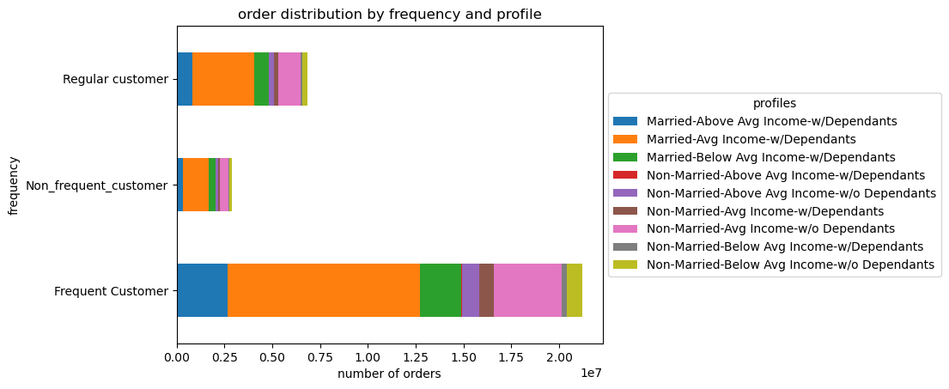

 |  |  |  |  |  |  |  |  | (Image from Exercise 4.10) - Fig. 12
 |  |  |  |  |  |  |  |  | *Note: This is a clustered bar chart by frequency and 'family status/income/dependants' customer profile category.

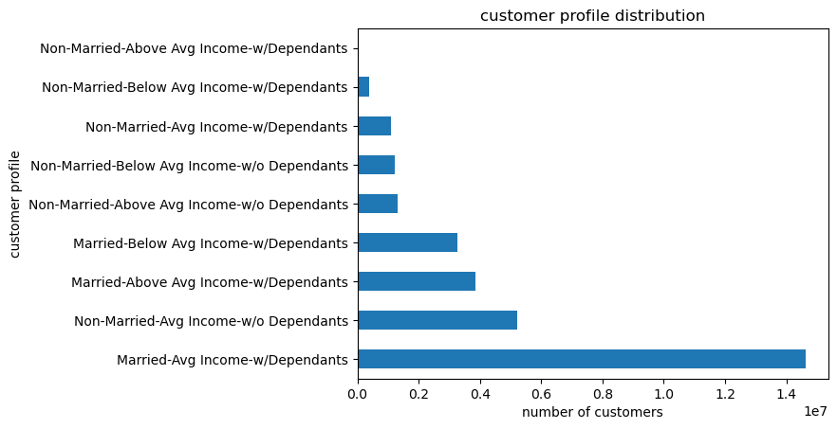

 |  |  |  |  |  |  | (Image from Exercise 4.10) - Fig. 13
 |  |  |  |  |  |  | *Note: This a bar chart showing how many people are in each 'family status/income/dependants' customer profile category.

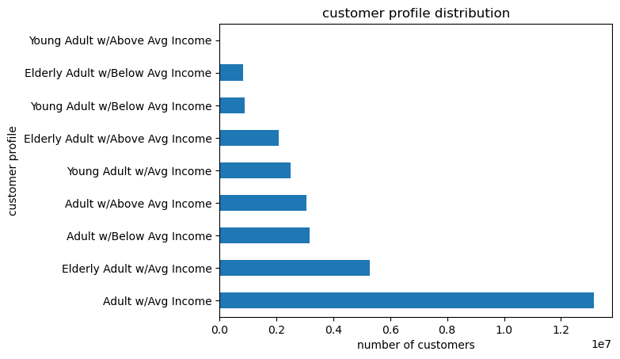

 |  |  |  |  |  |  | (Image from Exercise 4.10) - Fig. 14
 |  |  |  |  |  |  | *Note: This is a bar chart showing how many people are in each 'age/income' customer profile category.

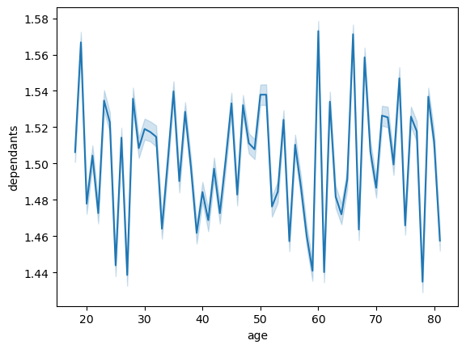

 |  |  |  |  |  |  | (Image from Exercise 4.9) - Fig. 15
 |  |  |  |  |  |  | *Note: The line chart was created to explore the connections between age and number of dependants.

 |  |  | ### Comments: The line plot does not evidence a correlation between age and number of dependants.



 |  |  |  |  |  |  |  | (Image from Exercise 4.9) - Fig. 16
 |  |  |  |  |  |  |  | *Note: This scatterplot was created using the 'sns.scatterplot()' function to visualize the relationship between age and spending power (income).

 |  |  | #### Comments: The highest density of income across all ages is $0 - $200K. The highest incomes ($500K - $600K) are for those greater than or equal to 40 years of age.

7. Recommendations
 |  |  |  | Title page

Recommendations

In this tab you should include any recommendations you would made to Instcart in terms of their marketing strategy based on the questions posed in the brief. Every key question has been covered in the Tasks of the Exercises - here you need to add an item - a visualisation or table/crosstable that is showing the answer in the data, acompanied by a comment from you. Please, list the questions below and add the answer underneath.

Questions | Answers | Corresponding Visualizations | Recommendations
Key Question #1: What are the busiest days of the week and hours of the day (i.e., the days and times with the most orders) in order to schedule ads at times when there are fewer orders? | Answer #1: Saturday and Sunday are the two busiest days of the week. The busiest hours of the day are between 9-5PM, with peak hours being 9-11AM. | Viz. #1: Tab 6 (Visualizations) - See Figures 1 & 2. | Recommendation #1: Based on the analysis an subsequent visualizations, it is recommended that marketing/advertising teams ensure that ads be schedlued for weekday evenings after 5 PM for maximal impact on consumer/customer behavior.
Key Question 2: Are there particular times of the day when people spend the most money, as this might inform the type of products advertised at these times? | Answer #2: The particular times of the day when people spend the most money are late mornings from 9-11AM. | Viz. #2: Tab 6 (Visualizations) - See Figure 2. | Recommendation #2: Given these results, it would behoove the marketing/advertising teams to consider the possible returns from advertising some of their most popular products during these hours.
Key Question 3: Is it possible to use simpler price range groupings to help direct the efforts of the marketing and sales teams? | Answer #3: Yes. It is possibe to use price grouping to help direct the efforts of the marketing and sales teams. As may be noted from Fig. 8 under Tab 6, mid-price range products are purchased the most by customers. Mid-range products are products that fall between $5 and $15. | Viz. #3: Tab 6 (Visualizations) - See Figure 8. | Recommendation #3: Advertising dollars should be focused on the promotion of mid-price range products given their evident popularity.
Key Question 4: Are there certain types of products that are more popular than others? Which departments have the highest frequency of product orders? | Answer #4: Items that appear to be the most popular are produce and dairy eggs. | Viz. #4: Tab 6 (Visualizations) - See Figure 10. | Recommendation #4: Given the results of the analysis conducted, efforts should be made to ensure that products such as produce and dairy eggs are adequately stocked. There also needs to be efforts to ensure that these items are regularly advertised during windows of time during the week that will ensure maximal impact upon consumer behavior. Additionally, items such as beverages and snacks should receive attention with respect to strategies for increasing consumer traffic in their direction given that they exhibit potential to become items from which the greater levels of return may be exacted.
Key Question 5: What are the different types of customers in the system of the marketing and sales teams and how do their ordering behaviors differ? | Answer #5: The customers in the system of the marketing and sales teams were sorted by age, marital status, relative income and number/presence of dependants. This provided a way to identify the diffent tyypes of customers in the system and allowed for a way to identify and distinguish ordering behaviors. | Viz. #5: Tab 6 (Visualizations) - See Figures 9, 11-14, 16 . | Recommendation #5: Based on the information gathered from analysis and visualizations, it is clear that the type of customer from whom the highest return can be gained based on behavior are married adults with average income and dependants present in the household. They are the most frequent and loyal customers. They are also distributed in the South region of the United States. Adult customers are 25-65 years of age. Given that the highest income earners are over 40, there is overlap with the aforementioned characteristics of the type of customer from whom the highest return can ge gained. This is good news for the marketing and sales team. Much reflection and strategy must be devoted to developing creative, innovative and effective ways of promoting products to this customer type.

